TRAINING
 |  | TSA INTERMEDIATE 9-WEEK TRAINING CYCLE

 | WEEK 1 | 9 WEEKS OUT |  |  |  |  |  |  | WEEK 2 | 8 WEEKS OUT |  |  |  |  |  |  | WEEK 3 | 7 WEEKS OUT |  |  |  |  |  |  | WEEK 4 | 6 WEEKS OUT |  |  |  |  |  |  |  | WEEK 5 | 5 WEEKS OUT |  |  |  |  |  |  | WEEK 6 | 4 WEEKS OUT |  |  |  |  |  |  | WEEK 7 | 3 WEEKS OUT |  |  |  |  |  |  | WEEK 8 | 2 WEEKS OUT |  |  |  |  |  |  |  | WEEK 9 | 1 WEEK OUT

 | DAY 1 | INTRO WEEK |  |  |  |  |  |  | DAY 1 |  |  |  |  |  |  |  | DAY 1 |  |  |  |  |  |  |  | DAY 1 |  |  |  |  |  |  |  |  | DAY 1 |  |  |  |  |  |  |  | DAY 1 |  |  |  |  |  |  |  | DAY 1 |  |  |  |  |  |  |  | DAY 1 |  |  |  |  |  |  |  |  | DAY 1
 |  |  | SETS | REPS | %1RM | LOAD | lsRPE | notes: |  |  | SETS | REPS | %1RM | LOAD | lsRPE | notes: |  |  | SETS | REPS | %1RM | LOAD | lsRPE | notes: |  |  | SETS | REPS | %1RM | LOAD | lsRPE | notes: | Planning |  |  | SETS | REPS | %1RM | LOAD | lsRPE | notes: |  |  | SETS | REPS | %1RM | LOAD | lsRPE | notes: |  |  | SETS | REPS | %1RM | LOAD | lsRPE | notes: |  |  | SETS | REPS | %1RM | LOAD | lsRPE | notes: | Planning |  |  | SETS | REPS | %1RM | LOAD | lsRPE | notes:
SQ1 | SQUAT | Squat | 4 | 5 | 73% | 145 |  |  | SQUAT | Squat | 5 | 5 | 75% | 150 |  |  | SQUAT | Squat | 5 | 5 | 78% | 155 |  |  | SQUAT | Squat | 5 | 5 | 80% | 160 |  |  | SQ1 | SQUAT | Squat | 5 | 5 | 82% | 165 |  |  | SQUAT | Squat | 5 | 3 | 86% | 172.5 |  |  | SQUAT | Squat | 4 | 2 | 89% | 177.5 |  |  | SQUAT | Squat | 1 | 1 | 93% | 185 |  |  | SQ1 | SQUAT | Squat | 1-3RM |  |  | 0
 | SQUAT | Squat |  |  |  | 0 |  |  | SQUAT | Squat |  |  |  |  |  |  | SQUAT | Squat |  |  |  |  |  |  | SQUAT | Squat |  |  |  |  |  |  |  | SQUAT | Squat |  |  |  |  |  |  | SQUAT | Squat |  |  |  |  |  |  | SQUAT | Squat |  |  |  |  |  |  | SQUAT | Squat | 2 | 2 | 87% | 175 |  |  |  | SQUAT | Squat
BN 1 | BENCH | Bench Press | 3 | 7 | 69% | 70 |  |  | BENCH | Bench Press | 4 | 7 | 71% | 70 |  |  | BENCH | Bench Press | 4 | 7 | 74% | 75 |  |  | BENCH | Bench Press | 4 | 7 | 76% | 75 |  |  | BN 1 | BENCH | Bench Press | 4 | 7 | 78% | 77.5 |  |  | BENCH | Bench Press | 4 | 6 | 75% | 75 |  |  | BENCH | Bench Press | 4 | 6 | 77% | 77.5 |  |  | BENCH | Bench Press | 3 | 5 | 81% | 80 |  |  | BN 1 | BENCH |  |  |  |  | 0
lat | ACC | Chest Supported Row | 3 | 6 | @7RPE |  |  |  | ACC | Chest Supported Row | 4 | 6 | @8.5RPE |  |  |  | ACC | Chest Supported Row | 4 | 6 | @8.5RPE |  |  |  | ACC | Chest Supported Row | 4 | 6 | @8.5RPE |  |  |  | lat | ACC | Chest Supported Row | 3 | 6 | @8.5RPE |  |  |  | ACC | Chest Supported Row | 5 | 5 | @8.5RPE |  |  |  | ACC | Chest Supported Row | 5 | 5 | @8.5RPE |  |  |  | ACC | Chest Supported Row | 3 | 5 | @8.5RPE |  |  |  | lat | ACC | Chest Supported Row | 3 | 5 | @8.5RPE
BN acc | BENCH | Close Grip Bench Press | 3 | 6 | @7RPE |  |  |  | BENCH | Close Grip Bench Press | 4 | 6 | @8RPE |  |  |  | BENCH | Close Grip Bench Press | 4 | 6 | @8RPE |  |  |  | BENCH | Close Grip Bench Press | 4 | 6 | @8RPE |  |  |  | BN acc | BENCH | Close Grip Bench Press | 3 | 6 | @8RPE |  |  |  | BENCH | Close Grip Bench Press | 5 | 5 | @8RPE |  |  |  | BENCH | Close Grip Bench Press | 5 | 5 | @8RPE |  |  |  | BENCH | Close Grip Bench Press | 3 | 5 | @8RPE |  |  |  | BN acc | BENCH |  |  |  |  | 0

 | DAY 2 |  |  |  |  |  |  |  | DAY 2 |  |  |  |  |  |  |  | DAY 2 |  |  |  |  |  |  |  | DAY 2 |  |  |  |  |  |  |  |  | DAY 2 |  |  |  |  |  |  |  | DAY 2 |  |  |  |  |  |  |  | DAY 2 |  |  |  |  |  |  |  | DAY 2 |  |  |  |  |  |  |  |  | DAY 2
DL 1 | DEADLIFT | Deadlift | 3 | 4 | 77% | 230 |  |  | DEADLIFT | Deadlift | 4 | 4 | 80% | 240 |  |  | DEADLIFT | Deadlift | 4 | 4 | 82% | 245 |  |  | DEADLIFT | Deadlift | 4 | 4 | 84% | 252.5 |  |  | DL 1 | DEADLIFT | Deadlift | 4 | 4 | 85% | 255 |  |  | DEADLIFT | Deadlift | 4 | 2 | 87% | 260 |  |  | DEADLIFT | Deadlift | 4 | 1 | 90% | 270 |  |  | DEADLIFT | Deadlift | 3 | 1 | 93% | 280 |  |  | DL 1 | BENCH | Bench Press | 1-3RM |  |  | 0
BN 2 | BENCH | Bench Press | 4 | 5 | 73% | 72.5 |  |  | BENCH | Bench Press | 5 | 5 | 75% | 75 |  |  | BENCH | Bench Press | 5 | 5 | 78% | 77.5 |  |  | BENCH | Bench Press | 5 | 5 | 80% | 80 |  |  | BN 2 | BENCH | Bench Press | 5 | 5 | 81% | 80 |  |  | BENCH | Bench Press | 4 | 4 | 83% | 82.5 |  |  | BENCH | Bench Press | 4 | 4 | 85% | 85 |  |  | BENCH | Bench Press | 3 | 3 | 87% | 87.5 |  |  | BN 2 | ACC | Overhead Press | 3-5RM
lats 2 | ACC | Bent Row | 3 | 6 | @7.5RPE |  |  |  | ACC | Bent Row | 4 | 6 | @9RPE |  |  |  | ACC | Bent Row | 4 | 6 | @9RPE |  |  |  | ACC | Bent Row | 4 | 6 | @9RPE |  |  |  | lats 2 | ACC | Bent Row | 3 | 6 | @9RPE |  |  |  | ACC | Bent Row | 4 | 6 | @9RPE |  |  |  | ACC | Bent Row | 4 | 5 | @9RPE |  |  |  | ACC | Bent Row | 3 | 5 | @9RPE |  |  |  |  | ACC

 | DAY 3 |  |  |  |  |  |  |  | DAY 3 |  |  |  |  |  |  |  | DAY 3 |  |  |  |  |  |  |  | DAY 3 |  |  |  |  |  |  |  |  | DAY 3 |  |  |  |  |  |  |  | DAY 3 |  |  |  |  |  |  |  | DAY 3 |  |  |  |  |  |  |  | DAY 3 |  |  |  |  |  |  |  |  | DAY 3
SQ 2 | SQUAT | Squat | 3 | 7 | 69% | 137.5 |  |  | SQUAT | Squat | 4 | 7 | 71% | 142.5 |  |  | SQUAT | Squat | 4 | 7 | 74% | 147.5 |  |  | SQUAT | Squat | 4 | 7 | 76% | 152.5 |  |  | SQ 2 | SQUAT | Squat | 4 | 7 | 78% | 155 |  |  | SQUAT | Squat | 3 | 5 | 81% | 162.5 |  |  | SQUAT | Squat | 3 | 4 | 84% | 167.5 |  |  | SQUAT | Squat | 3 | 3 | 86% | 172.5 |  |  |  | ACC | Squat |  |  | 69%
shoulders | ACC | Overhead Press | 2 | 8 | @7.5 RPE |  |  |  | ACC | Overhead Press | 3 | 8 | @8.5RPE |  |  |  | ACC | Overhead Press | 3 | 8 | @8.5RPE |  |  |  | ACC | Overhead Press | 3 | 8 | @8.5RPE |  |  |  | shoulders | ACC | Overhead Press | 2 | 8 | @8.5RPE |  |  |  | ACC | Overhead Press | 3 | 6 | @8.5RPE |  |  |  | ACC | Overhead Press | 3 | 6 | @8.5RPE |  |  |  | ACC | Overhead Press | 3 | 6 | @8.5RPE |  |  |  |  | ACC | Overhead Press | 2 | 8 | @7.5 RPE
lats 3 | ACC | Chest Supported Row | 3 | 10 | @7.5RPE |  |  |  | ACC | Chest Supported Row | 4 | 10 | @8.5RPE |  |  |  | ACC | Chest Supported Row | 4 | 10 | @8.5RPE |  |  |  | ACC | Chest Supported Row | 4 | 10 | @8.5RPE |  |  |  | lats 3 | ACC | Chest Supported Row | 3 | 10 | @8.5RPE |  |  |  | ACC | Chest Supported Row | 4 | 8 | @8.5RPE |  |  |  | ACC | Chest Supported Row | 4 | 8 | @8.5RPE |  |  |  | ACC | Chest Supported Row | 3 | 8 | @8.5RPE |  |  |  |  | ACC | Chest Supported Row | 3 | 10 | @7.5RPE
...
12-week VOL vs. Intensity
 | NL |  | Avg Wt.
WEEK 1 | 136 | WEEK 1 | 99.981617647
WEEK 2 | 180 | WEEK 2 | 103.02777778
WEEK 3 | 180 | WEEK 3 | 106.79166667
WEEK 4 | 180 | WEEK 4 | 109.75
WEEK 5 | 174 |  | 115.77586207
WEEK 6 | 133 |  | 97.34962406
WEEK 7 | 111 |  | 89.234234234
WEEK 8 | 69 |  | 85.471014493
WEEK 9 | 0 |  | 0
WEEK 10 | 0 |  | 0
WEEK 11 | 0 |  | 0
WEEK 12 | 0 |  | 0

MAXES+CHART
 | 1 | 2 | 3 | 4 | 5 | 6 | 7 | 8 | 9 | 10 | 11 | 12
10 | 100.0% | 95.9% | 93.0% | 90.2% | 87.6% | 85.2% | 82.8% | 80.5% | 78.3% | 76.2% | 73.2% | 70.7%
9.5 | 98.0% | 94.5% | 91.6% | 88.9% | 86.4% | 84.0% | 81.7% | 79.4% | 77.3% | 74.7% | 72.0% | 69.5%
9 | 95.9% | 93.0% | 90.2% | 87.6% | 85.2% | 82.8% | 80.5% | 78.3% | 76.2% | 73.2% | 70.7% | 68.1%
8.5 | 94.5% | 91.6% | 88.9% | 86.4% | 84.0% | 81.7% | 79.4% | 77.3% | 74.7% | 72.0% | 69.5% | 66.9%
8 | 93.0% | 90.2% | 87.6% | 85.2% | 82.8% | 80.5% | 78.3% | 76.2% | 73.2% | 70.7% | 68.1% | 65.6%
7.5 | 91.6% | 88.9% | 86.4% | 84.0% | 81.7% | 79.4% | 77.3% | 74.7% | 72.0% | 69.5% | 66.9% | 64.4%
7 | 90.2% | 87.6% | 85.2% | 82.8% | 80.5% | 78.3% | 76.2% | 73.2% | 70.7% | 68.1% | 65.6% | 63.0%
6.5 | 88.9% | 86.4% | 84.0% | 81.7% | 79.4% | 77.3% | 74.7% | 72.0% | 69.5% | 66.9% | 64.4% | 61.8%

 |  |  |  | MAXES:

 |  | kgs |  | WT x REPS
 | SQUAT: | 200.0 |  | 200 | 1
 | BENCH: | 100.0 | -OR- | 100 | 1
 | SUMO DEADLIFT: | 300.0 |  | 300 | 1

 | these values below adjust the RPE chart for lifters who are lower or higher rep dominant, and generally not to be used
 | adjustments less than three reps (low rep dominant)

 | formula: | = percentage ^ A |  | high rep dominant: |  | (A-value probably 0.6 - 0.95) | higher rep dominant athletes can perform reps at higher %1RM
 | A: | 1 | (normal = 1) | low rep dominant: |  | (A-value probably 1.05-1.3) | lower rep dominant athletes cannot perform high reps with higher %1RMs

 | adjustments greater than three reps (high rep dominant)

 | formula: | = percentage ^ A |  | high rep dominant: |  | (A-value probably 0.6 - 0.95) | higher rep dominant athletes can perform reps at higher %1RM
 | A: | 1 | (normal = 1) | low rep dominant: |  | (A-value probably 1.05-1.3) | lower rep dominant athletes cannot perform high reps with higher %1RMs

 | reference chart
 | 1 | 2 | 3 | 4 | 5 | 6 | 7 | 8 | 9 | 10 | 11 | 12
10 | 100.0% | 95.9% | 93.0% | 90.2% | 87.6% | 85.2% | 82.8% | 80.5% | 78.3% | 76.2% | 73.2% | 70.7%
9.5 | 98.0% | 94.5% | 91.6% | 88.9% | 86.4% | 84.0% | 81.7% | 79.4% | 77.3% | 74.7% | 72.0% | 69.5%
9 | 95.9% | 93.0% | 90.2% | 87.6% | 85.2% | 82.8% | 80.5% | 78.3% | 76.2% | 73.2% | 70.7% | 68.1%
8.5 | 94.5% | 91.6% | 88.9% | 86.4% | 84.0% | 81.7% | 79.4% | 77.3% | 74.7% | 72.0% | 69.5% | 66.9%
8 | 93.0% | 90.2% | 87.6% | 85.2% | 82.8% | 80.5% | 78.3% | 76.2% | 73.2% | 70.7% | 68.1% | 65.6%
7.5 | 91.6% | 88.9% | 86.4% | 84.0% | 81.7% | 79.4% | 77.3% | 74.7% | 72.0% | 69.5% | 66.9% | 64.4%
7 | 90.2% | 87.6% | 85.2% | 82.8% | 80.5% | 78.3% | 76.2% | 73.2% | 70.7% | 68.1% | 65.6% | 63.0%
6.5 | 88.9% | 86.4% | 84.0% | 81.7% | 79.4% | 77.3% | 74.7% | 72.0% | 69.5% | 66.9% | 64.4% | 61.8%

RPE
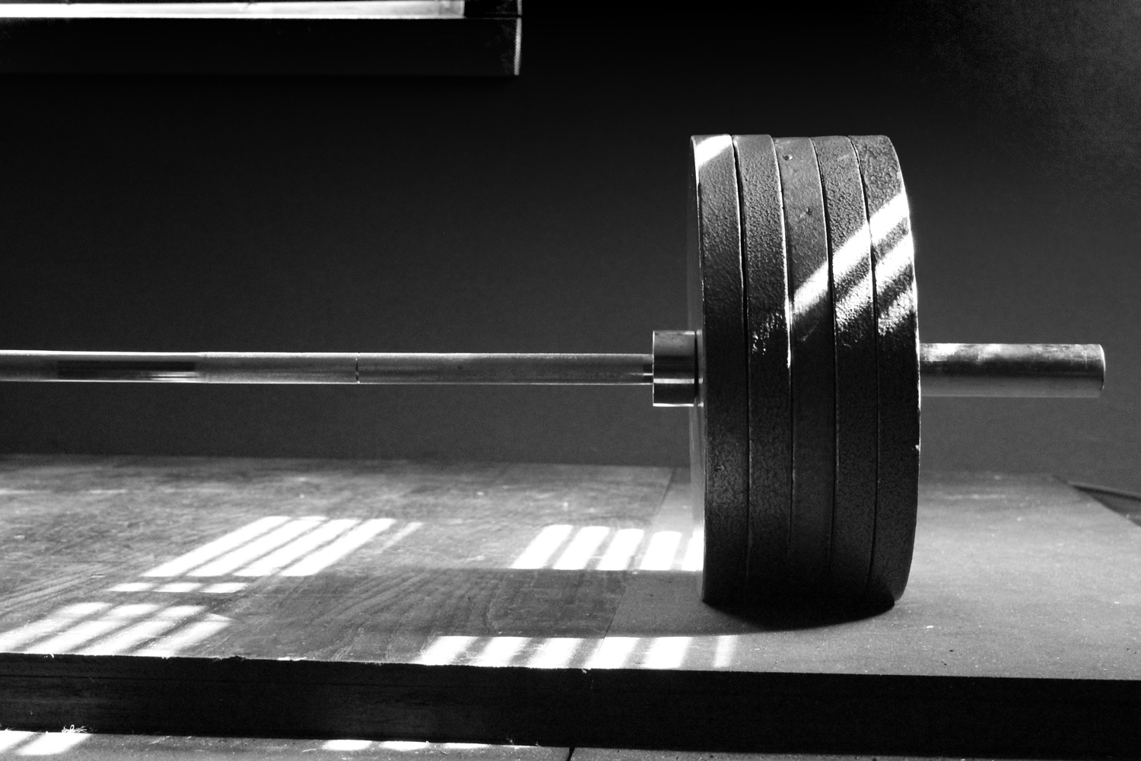
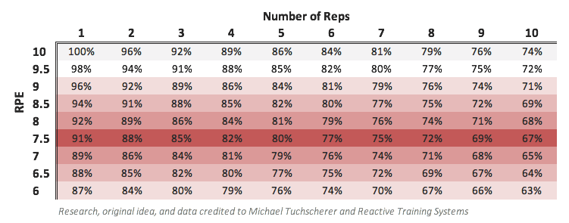
 |  | RPE - RATE OF PERCEIVED EXERTION

 | Q: What is RPE and why is it useful?
 | RPE (rate of perceived exertion) is a rating system that allows athletes to measure how hard something feels to you at the time. It is a subjective measure of your strength at a given time. We rate this on a scale from one to ten. The higher the number, the harder the set felt. It is also a way to quantify those feelings we have immediately post-set of gauging how difficult it was. “I could maybe have done 1 or 2 more reps.” The RPE scale quantifies this. RPE allows you to regulate your training intensity based on your condition right now. Not your last meet, yesterday, or even your last set. It allows you to quantify where your preparedness is at any given time.
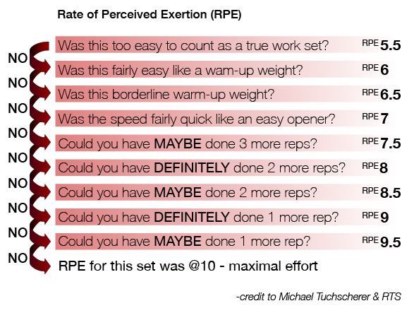

 | Q: I see a protocol that looks like this: 3x8 @8 RPE. What do I do?
 | This is known as a repeat set, and we often use this method for assistance movements, or cases where 1RMs are not established or difficult to establish. As the name implies, you try to repeat the same load and reps on subsequent sets. As fatigue rises, your RPE will also rise. By monitoring this rise in RPE, you can determine your level of fatigue and when its time to add more weight to the bar. The first thing you will do is work up to the prescribed rep & RPE as directed. You will want to warm up and ramp up the weights to what will be your working weight for your top set at RPE 8. From there, you will repeat this for the number of remaining sets (in this example, it would be 2 more sets, for 3 total sets). To progress week to week, monitor the rise in RPE over the course of the sets. If you are finding a 0-0.5 RPE jump from first to last set, it’s safe to add some weight next time. If you are finding an increase of 1+ RPE, leave the load as is for next week.

 | Sample Exercise using repeat method |  |  | Q: I need to work up to a top set of 1x4 @8.5RPE. How can I figure out what load to use?
 | 1x5x135 | warmups
 | 1x4x225 | warmups
 | 1x4x275 | warmups |  | First, we need to determine your estimated 1RM (e1RM). Look up the rep/RPE numbers for the last time you did today’s exercise. Find the associated percentage and divide the weight used by the percentage. This will give you your e1RM. We can estimate our top set for the day using the RPE chart to help determine how much weight will be used. x4@8.5 yields ~85%. Multiply your e1RM by the percentage to determine your top set load. After warming up, we suggest ~2 “gauging” sets at the top set prescribed rep range, but for each gauging set you climb 1 RPE closer to the assigned top set RPE. In order to feel confident picking that load based on how you are feeling do your first “gauging” set at 4 reps @ 7 RPE, and another one at 4 reps @ 8 RPE (Notice we are increasing an RPE with each gauging set). At this point you should be able to fairly accurately estimate a load that would yield 4 reps @ 8.5 RPE for your top set. A general rule is to subtract 5% for each RPE below the top set. So your target for the first set will be about 10% below your top set (5% per RPE * 2 RPE’s below the top set = 10%). The point of the ramp up sets isn’t necessarily to nail them right on the money, but rather to do the reps and get close on the RPE and for the top set, you want to be within a half RPE of the prescribed numbers.
 | 1x8x295 | @7 RPE | <-- 1st gauging set
#1 | 1x8x305 | @8 RPE | <-- 1st work set
#2 | 1x8x305 | @8 RPE | <-- repeat set
#3 | 1x8x305 | @8.5 RPE | <-- repeat set

